Sheet1
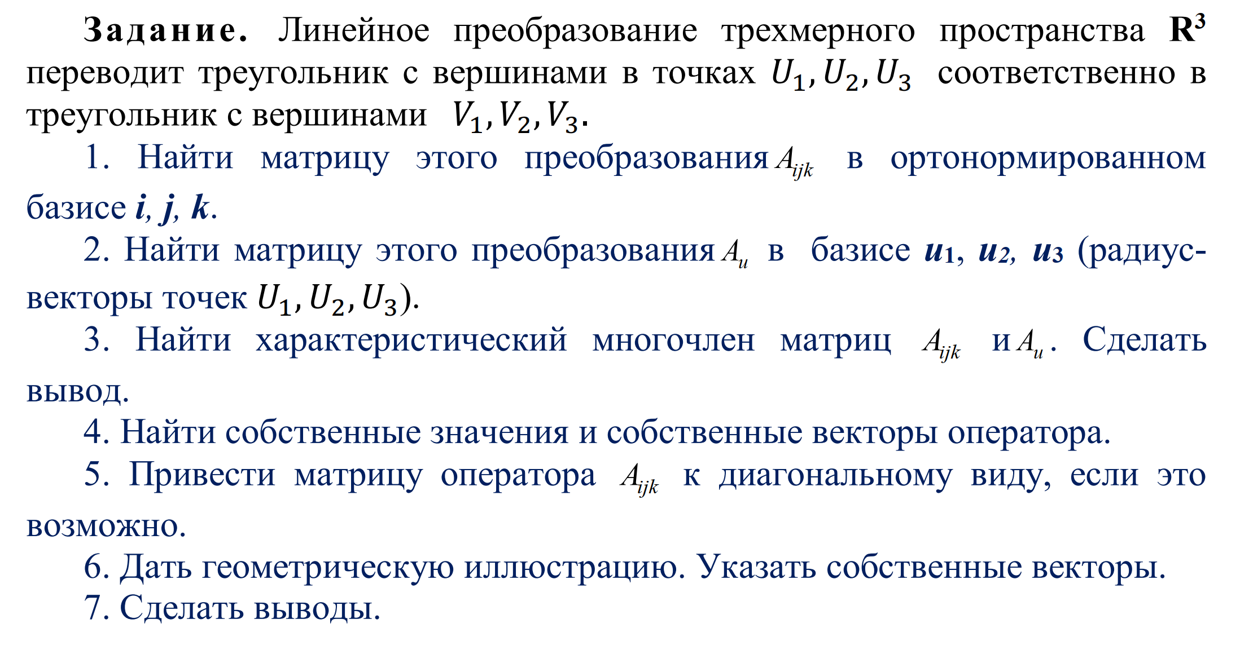

 | U= | 1 | 0 | 1 |  |  | U-1= | 2 | 0 | -1
 |  | 1 | 1 | 0 |  |  |  | -2 | 1 | 1
 |  | 1 | 0 | 2 |  |  |  | -1 | 0 | 1

 | V= | -10 | -6 | -1 |  |  | Аjik=V*U-1 | -7 | -6 | 3
 |  | 8 | 5 | 0 |  |  |  | 6 | 5 | -3
 |  | -10 | -6 | -2 |  |  |  | -6 | -6 | 2

U-1 * Aijk = | -8 | -6 | 4 |  | Аu= | -10 | -6 | 0
 | 14 | 11 | -7 |  |  | 18 | 11 | 0
 | 1 | 0 | -1 |  |  | 0 | 0 | -1

Аu= | -10 | -6 | -4 |  | s1= | 4 |  |  |  |  |  | Aijk | -7 | -6 | 3 | s1 | 4 | det(A-λE) | λ^3-4λ^2+λ+6 | λ = -1, 2
 | 18 | 11 | 4 |  | s2= | 1 |  | det(A-λE) | λ^3-4λ^2+λ+6 |  | λ = -1, 2 |  | 6 | 5 | -3 | s2 | 1
 | 0 | 0 | 3 |  | s3= | -6 |  |  |  |  |  |  | -6 | -6 | 2 | s3 | -6

λ = -1 | -9 | -6 | 0 |  | -9x1-6x2=0 |  | x1=0 | X1 =(1,-1,5,0)
 | 18 | 12 | 0 |  | 18x1+12x2=0 |  | x2=-1,5
 | 0 | 0 | 0

λ = -2 | -12 | -6 | 0 |  |  |  |  | X1 =(1,-2,0)
 | 18 | 9 | 0
 | 0 | 0 | -3

T = | 1 | -1.5 | 0
 | 1 | -1.5 | 0
 | 1 | -2 | 0

 |  | det(T) = | 0

